Centrifuge Speed Calc.
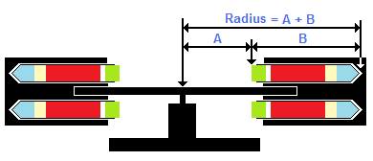
Centrifuge Speed Calculator

This centrifuge speed calculator can be used to obtain the correct centrifugation speed for the three
centrifugation steps used in ELISPOT procedures
Directions for use:
To obtain the correct radius of your rotor, place a tube in the appropriate centrifuge bucket and swing the rotor out to its vertical (see diagram below). Measure from the centre of the rotor to the top of the tube (A). Then measure the length of the tube (B). Add these two values together. This is the overall length of the radius of your centrifuge rotor.
Enter this value into the large box below. The converted speeds for each step will automatically be calculated and displayed in red. Please adjust your centrifuge to as close to these speeds as possible for each step of the assay procedure.
NB. Ensure the correct speed is used for the cell separation step depending on the cell separation method you are using.

Radius of Rotor in cm (centre of rotor to tip of tube when vertical) |  | 23.0 | cm

 |  | Force (RCF or g) |  |  | Speed (RPM)
Cell separation method |  | 4ml CPT | 8ml CPT | Ficoll | 4ml CPT | 8ml CPT | Ficoll
Cell separation speed |  | 1800 | 1600 | 1000 | 2646 | 2494 | 1972

First wash speed |  | 600 |  |  | 1528

Second wash speed |  | 350 |  |  | 1167

 | RCF = Relative Centrifugal Force
 | RPM = Revolutions Per Minute

